Sheet1
Style | Picture | Description | Composition | Size | Packs per Carton | Quantity (Packs) | Total Cartons
1926 | 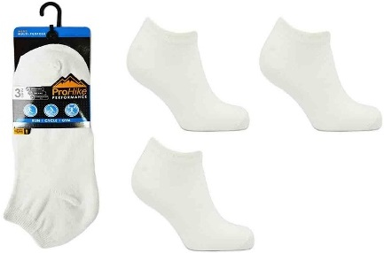 | ProHike 3PK Mens Plain White Trainer Socks | 58% Cotton, 20% Polyester, 20% Nylon, 2% Elastane | UK 6-11 EUR 39-46 | 120 | 28,560 | 238
1927 | 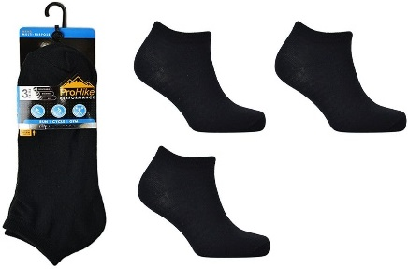 | ProHike 3PK Mens Plain Black Trainer Socks | 58% Cotton, 20% Polyester, 20% Nylon, 2% Elastane | UK 6-11 EUR 39-46 | 120 | 21,600 | 180
1928 | 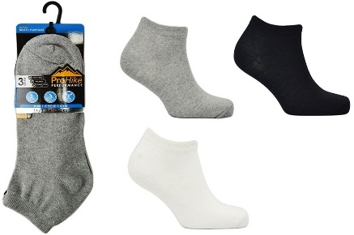 | ProHike 3PK Mens Plain B/C/W Trainer Socks | 58% Cotton, 20% Polyester, 20% Nylon, 2% Elastane | UK 6-11 EUR 39-46 | 120 | 9,000 | 75
1931 | 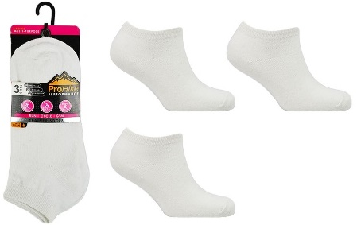 | ProHike 3PK Ladies Plain White Trainer Socks | 58% Cotton, 20% Polyester, 20% Nylon, 2% Elastane | UK 4-8 EUR 37-42 | 120 | 10,200 | 85
1932 | 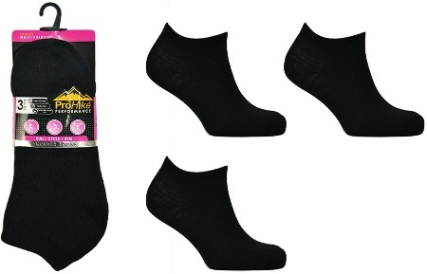 | ProHike 3PK Ladies Plain Black Trainer Socks | 58% Cotton, 20% Polyester, 20% Nylon, 2% Elastane | UK 4-8 EUR 37-42 | 120 | 12,000 | 100
3532 | Picture | ProHike 3PK Mens Design Trainer Socks | 58% Cotton, 20% Polyester, 20% Nylon, 2% Elastane | UK 6-11 EUR 39-46 | 120 | 9,960 | 83
3533 | Picture | ProHike 3PK Mens Design Trainer Socks | 58% Cotton, 20% Polyester, 20% Nylon, 2% Elastane | UK 6-11 EUR 39-46 | 120 | 11,640 | 97
3534 | Picture | ProHike 3PK Mens Design Trainer Socks | 58% Cotton, 20% Polyester, 20% Nylon, 2% Elastane | UK 6-11 EUR 39-46 | 120 | 9,000 | 75
3535 |  | ProHike 3PK Mens Design Trainer Socks | 58% Cotton, 20% Polyester, 20% Nylon, 2% Elastane | UK 6-11 EUR 39-46 | 120 | 13,200 | 110
3536 | Picture | ProHike 3PK Mens Design Trainer Socks | 58% Cotton, 20% Polyester, 20% Nylon, 2% Elastane | UK 6-11 EUR 39-46 | 120 | 11,520 | 96
3537 | Picture | ProHike 3PK Mens Design Trainer Socks | 58% Cotton, 20% Polyester, 20% Nylon, 2% Elastane | UK 6-11 EUR 39-46 | 120 | 9,960 | 83
3538 | Picture | ProHike 3PK Ladies Design Trainer Socks | 58% Cotton, 20% Polyester, 20% Nylon, 2% Elastane | UK 4-8 EUR 37-42 | 120 | 6,000 | 50
3539 | Picture | ProHike 3PK Ladies Design Trainer Socks | 58% Cotton, 20% Polyester, 20% Nylon, 2% Elastane | UK 4-8 EUR 37-42 | 120 | 8,880 | 74
3540 | Picture | ProHike 3PK Ladies Design Trainer Socks | 58% Cotton, 20% Polyester, 20% Nylon, 2% Elastane | UK 4-8 EUR 37-42 | 120 | 8,520 | 71
3541 | Picture | ProHike 3PK Ladies Design Trainer Socks | 58% Cotton, 20% Polyester, 20% Nylon, 2% Elastane | UK 4-8 EUR 37-42 | 120 | 7,920 | 66
3542 | Picure | ProHike 3PK Ladies Design Trainer Socks | 58% Cotton, 20% Polyester, 20% Nylon, 2% Elastane | UK 4-8 EUR 37-42 | 120 | 5,640 | 47
3543 | Picture | ProHike 3PK Ladies Design Trainer Socks | 58% Cotton, 20% Polyester, 20% Nylon, 2% Elastane | UK 4-8 EUR 37-42 | 120 | 7,920 | 66
 |  |  |  |  | TOTAL PACKS | 110,160 | 918
 |  |  |  |  | TOTAL DOZ | 27,540

